Example
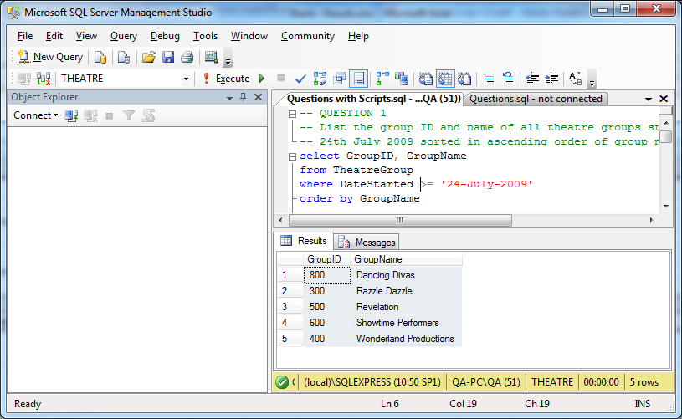
TEST PLAN

Example 1: | Manually check original tables to work out expected results, then compare this data against actual result set

Example 2: | Compare the data in the table before and after the table data is modified

EXPECTED RESULT

Example 1: | 5 rows of data containing the GroupID and GroupName for the

Example 2: | 1 additional row of data can be seen in the table after the insert statement has been run

ACTUAL RESULT
Test Pass/Fail? : PASS

Q1
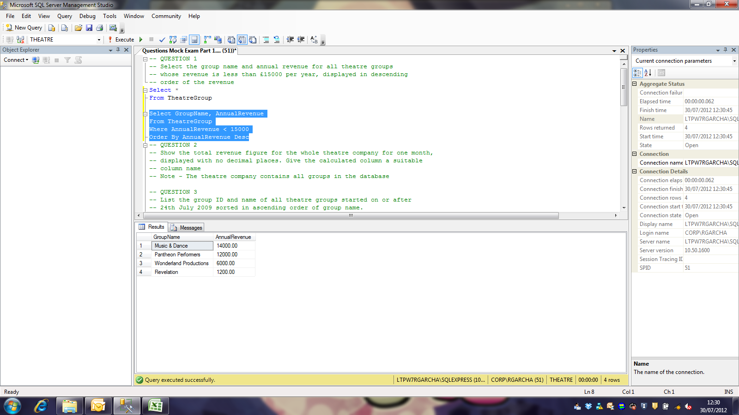
TEST PLAN

EXPECTED RESULT

ACTUAL RESULT
Test Pass/Fail? : PASS
Before

After

